【c】index information
Macrogen Japan NGS Service index imformation sheet
＜notes＞ ・The red frames are a required item. Please fill in all the items. ・Please prepare one sheet per pooling library. ・If you wish to send more than one library, please copy this sheet and fill in the sheets for each library. ・Library samples should be sent pooling in one tube per sequence lane. ・In case of Single index, please leave blank on i5 side. ・If there is more than one index per sample, such as a library created with 10x Chromium, use multiple lines per sample and fill in each index array on the i7 side, as shown on the right. |  |  |  | 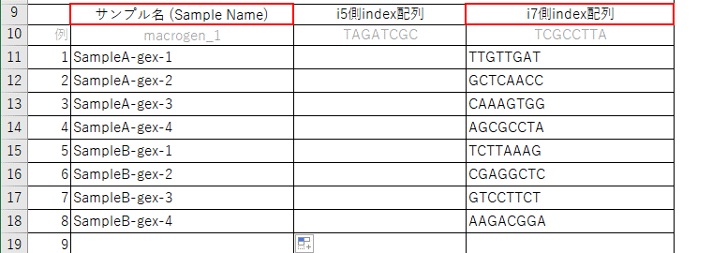
Name of sample tube
Library preparation kit name: ※ If there is no use, please enter "None".
Library Size(bp):
PhiX addition rate(%): ※If you wish to add at our company (free)
Number of pooling Samples
forward sequence.
Schematic of library
For libraries prepared with 10x genomics Chromium

 | Sample Name ( within 14 characters) | i5 index sequence | i7 index sequence
 |  | Please enter the index sequence for MiSeq, HiSeq2000 / 2500, NovaSeq v1.0 Reagent regardless of the sequencer. | Please fill in the sequence described in the i7 Bases for Sample Sheet.
EX | macrogen_1 | TAGATCGC | TCGCCTTA
1
2
3
4
5
6
7
8
9
10
11
12
13
14
15
16
17
18
19
20
21
22
23
24
25
26
27
28
29
30
31
32
33
34
35
36
37
38
39
40
41
42
43
44
45
46
47
48

Shipping instructions
Shipping instructions
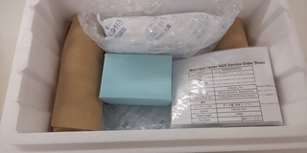
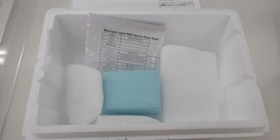
DNA/Library
ice packs
dry ice
RNA/tissue/cell
order sheets
cushioning material
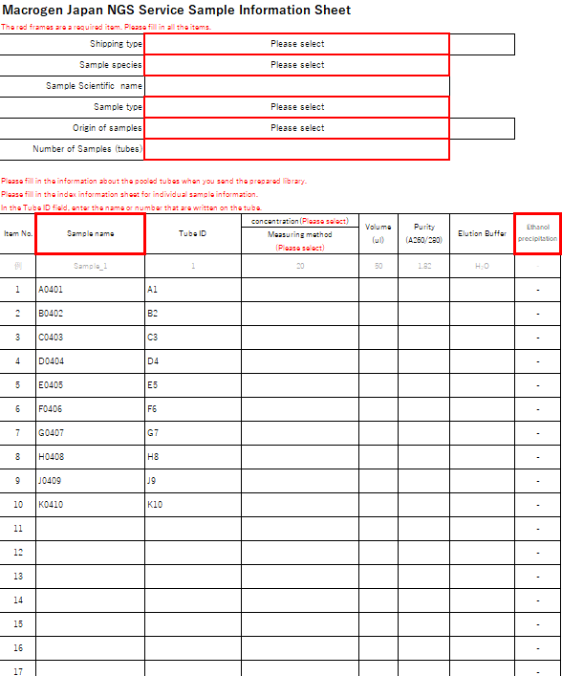
How to prepare samples

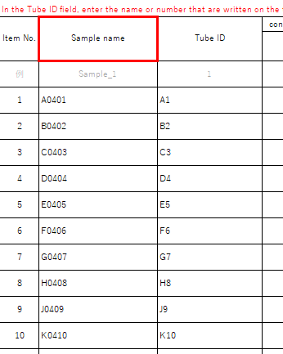

１）A type of tube is not specified by us, but we highly recommend using 1.5ml or 2ml microcentrifuge tubes.

２ "Tube ID" information filled in "[B] sample information" sheet should match the labellings on the lids of your samples tubes.
Use only alphanumeric, "-" and "_" for the Tube IDs and sample names, do NOT use symbols or Japanese characters.

３）Please prepare as much volume of liquid as possible. If the amount is too small, it may evaporate during shipment.

４）Make sure there is no damage to the tube and be sure that the tube lids are closed and sealed tightly.

Please put samples in a small box as much as possible and put them in order from left to right.
５）Tubes should be placed in a small box and arranged in the same order as listed on the [B] sheet.
Protect the box with cushioning materials around it.
If you have no small box or a tube holder, please wrap the tube with enough cushioning materials.
Tube IDs should match the labelling on the lids
６）For DNA/Library samples, put ice packs inside a styrofoam box.
For RNA or tissue/cell samples, put enough dry ice inside a ​styrofoam box.

７）Be sure to include a printed copy of the order sheets ([A] Sequencing information sheet and [B] Sample information sheet).

８）Please fill up any empty space with cushioning materials to reduce the impact of shaking during the shipment.

Sample shipping cost
Samples can be sent by cash on delivery.
In the case of shipping from abroad or by special and expensive transport methods (special transportation of clinical specimens, etc.), we request an advance payment.

Sample shipping address, phone number
TIME24 Building 16F, 2-4-32 Aomi, Koto-ku, Tokyo 135-0064 Japan Tel: 03-5962-1124 Fax: 03-5962-1128 Macrogen Japan NGS Service Department

DNA samples can be delivered by refrigerated shipping. However, RNA samples must be delivered by frozen shipping.
We are unable to receive samples on weekends and holidays. Please send samples by daytime delivery on weekdays.

